example
Product Name | Category
Crunchy chocolate cookies | confectionary
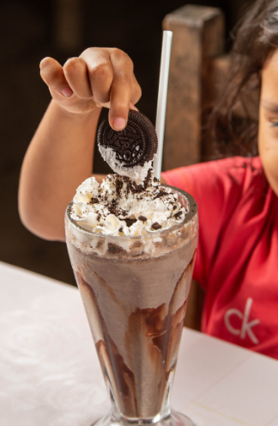 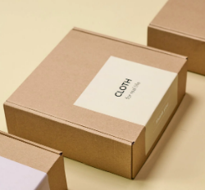 | JAN code（EAN code）
 | XXXXXXXXXXXXX
 | Shelf Life
 | 180 days
 | Storage temperature
 | dry
 | Location of production/manufacture
 | Tochigi prefecture
 | Retail use / Industorial use
 | retail use
 | OEM
 | available
 | Price (domestic stores)JPY | Price (domestic stores) (unit)
 | ¥300 | 1pack
 | Quantity per case
 | 12 packs
 | Minimum lot for order | Minimum lot for order (unit)
 | 50 | cases
Ingredients
Flour (domestic), butter, chocolate, cocoa, almond powder, sugar, salt, vegetable oil, amino acids 、、、、
Product Introduction
These chocolate cookies are baked with 100% domestic ingredients. We have acquired ISO22000 certification and are committed to safe and secure food production, including traceability of raw materials. We also manufacture OEM products for major supermarkets in Japan and can propose package designs. Flavors include plain, butter, and green tea, with new flavors to be added in the future. The texture is crispy on the outside and fluffy on the inside, and the sweet chocolate flavor spreads in the mouth. They are also delicious dipped in milk or crushed and topped with vanilla ice cream.
Certifications
ISO22000 certification, HACCP to be acquired in 2024.
Remarks
プロモーションビデオを添付（リンク：XXXXXXXXXXXXXXXXX）

